Ustadz Fauzan
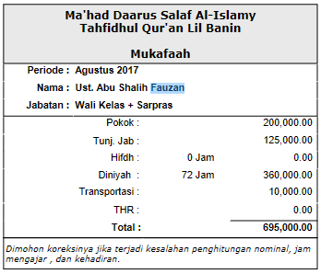
BL171111D9TMELC | 25-Apr-2017 | Abu Shalih Fauzan | 520530440864 | 200,000 | Listrik | Pot Gaji Mei
BL171113K7G3ELC | 28-Jul-2017 | Abu Shalih Fauzan | 520530440864 | 200,000 | Listrik | Pot Gaji Agustus
BL171112KPGIELC | 6-Jul-2017 | Abu Shalih Fauzan | 520530440864 | 200,000 | Listrik | Pot Gaji Agustus
BL17111257P8ELC | 12-Jun-2017 | Abu Shalih Fauzan | 520530440864 | 200,000 | Listrik | Pot Gaji Agustus
BL17113EVSZ3INV | 3-Jun-2017 | Abu Shalih Fauzan | 085329333237 | 12,000 | Pulsa | Pot Gaji Agustus
BL171111NSM2ELC | 20-May-2017 | Abu Shalih Fauzan | 520530440864 | 200,000 | Listrik | Pot Gaji September

 |  |  | Mukafaah Agustus |  |  | 695,000.00
 |  |  | Potongan |  |  | 612,000.00

 |  |  | Sisa |  |  | 83,000.00

